menu
LAPORAN PEMAKAIAN OBAT
PUSKESMAS POLOWIJEN
KOTA MALANG
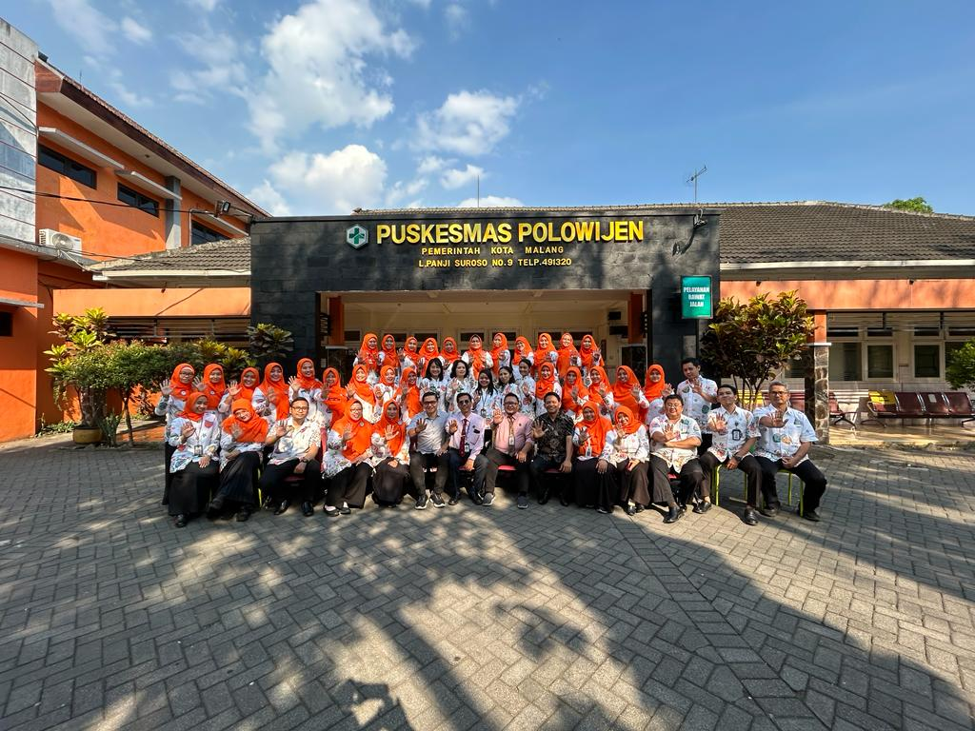
DAFTAR OBAT
JUMLAH RESEP

OBAT MASUK
INPUT RESEP
LPLPO
REGISTER HARIAN

daftar obat
MENU
 | KODE |  | NAMA OBAT | SATUAN
5001 | ABICA | HIV001 | Abicavir 300 mg | tablet | 5001 | HIV001
1001 | ALOPU1 | PKD001 | Alopurinol Tab.100 mg | tablet | 1001 | PKD001
1002 | AMINO2 | PKD002 | Aminofilin inj. 24 mg /ml - 10 ml | ampul | 1002 | PKD002
1003 | AMINO1 | PKD003 | Aminofilin tablet 200 mg | tablet | 1003 | PKD003
1004 | AMITR1 | PKD004 | Amitriptilin HCL tab. 25 mg | tablet | 1004 | PKD004
1005 | AMOKS1 | PKD005 | Amoksisilin 500 mg Kapsul | kapsul | 1005 | PKD005
1006 | AMOKS3 | PKD006 | Amoksisilin syrp kering 125 mg | botol | 1006 | PKD006
1007 | ANTAL2 | PKD007 | Antalgin inj. 250 mg / ml - 2 ml | tablet | 1007 | PKD007
1008 | ANTAL1 | PKD008 | Antalgin tablet 500 mg | tablet | 1008 | PKD008
1009 | ANTAS1 | PKD009 | Antasida doen tablet, kombinasi | tablet | 1009 | PKD009
1010 | ANTIB | PKD010 | Antibakteri doen salep kombinasi | tube | 1010 | PKD010
1011 | ANTIF | PKD011 | Antifungi doen kombinasi | tube | 1011 | PKD011
1012 | ANTIH | PKD012 | Antihemoroid doen kombinasi | supp | 1012 | PKD012
1013 | ANTIM | PKD013 | Antimigren DOEN kombinasi; | tablet | 1013 | PKD013
1014 | AQUA1 | PKD014 | Aqua Pro Injeksi Steril | ampul | 1014 | PKD014
1015 | ASAMA | PKD015 | Asam Askorbat tab. 50 mg | tablet | 1015 | PKD015
1016 | ASETO1 | PKD016 | Asetosal tab. 100 mg | tablet | 1016 | PKD016
1017 | ATROP | PKD017 | Atropin sulfat injeksi 0,25 mg /ml- 1 ml | ampul | 1017 | PKD017
1018 | BETAM | PKD018 | Betametason Krim 0,1 % | tube | 1018 | PKD018
1019 | DEKSA2 | PKD019 | Deksametason inj. 5mg/ml - 1 ml | ampul | 1019 | PKD019
1020 | DEKSA1 | PKD020 | Deksametason tab. 0.5 mg | tablet | 1020 | PKD020
1021 | DIAZE5 | PKD021 | Diazepam inj. 5 mg/ml - 2 ml | ampul | 1021 | PKD021
1022 | DIAZE1 | PKD022 | Diazepam tab. 2 mg | tablet | 1022 | PKD022
1023 | DIAZE2 | PKD023 | Diazepam tab. 5 mg | tablet | 1023 | PKD023
1024 | DIFEN | PKD024 | Difenhidramin Hcl inj. 10mg/ml | ampul | 1024 | PKD024
1025 | DIGOK | PKD025 | Digoksin 0.25 mg. Tab. | tablet | 1025 | PKD025
1026 | EFEDR | PKD026 | Efedrin HCL tab. 25 mg | tablet | 1026 | PKD026
1027 | EKSTR | PKD027 | Ekstrak Belladon tab 10 mg | tablet | 1027 | PKD027
1028 | EPINE | PKD028 | Epinefrina Hcl/Bitartrat inj. | tablet | 1028 | PKD028
1029 | ETIL | PKD029 | Etil Klorida Semprot | botol | 1029 | PKD029
1030 | FENIT1 | PKD030 | Fenitoin Natrium Kap 100 mg. | kapsul | 1030 | PKD030
1031 | FENIT2 | PKD031 | Fenitoin Natrium Kap 30 mg. | kapsul | 1031 | PKD031
1032 | FENOB2 | PKD032 | Fenobarbital tab. 100 mg | tablet | 1032 | PKD032
1033 | FENOB1 | PKD033 | Fenobarbital tab. 30 mg | tablet | 1033 | PKD033
1034 | FENOL | PKD034 | Fenol Gliserol tets telinga 10 % | drop | 1034 | PKD034
1035 | FITOM1 | PKD035 | Fitomenadion (vit k) tablet salut 10 mg | tablet | 1035 | PKD035
1036 | FITOM2 | PKD036 | Fitomenadion (vit k)injeksi 10mg/ml-1ml | ampul | 1036 | PKD036
1037 | FUROS1 | PKD037 | Furosemida tab. 40 mg | tablet | 1037 | PKD037
1038 | GENTI | PKD038 | Gentian violet | botol | 1038 | PKD038
1039 | GLIBE | PKD039 | Glibenklamida tab. 5 mg | tablet | 1039 | PKD039
1040 | GLISE | PKD040 | Gliseril Guayakolat tab. 100 mg | tablet | 1040 | PKD040
1041 | GLUKO1 | PKD041 | Glukosa larutan infus 10 % | botol | 1041 | PKD041
1042 | GLUKO2 | PKD042 | Glukosa larutan infus 40% | botol | 1042 | PKD042
1043 | GLUKO3 | PKD043 | Glukosa larutan infus 5 % | botol | 1043 | PKD043
1044 | GRISE | PKD044 | Griseofulvin tab. 125 mg | tablet | 1044 | PKD044
1045 | HALOP6 | PKD045 | Haloperidol 0,5 mg tab. | tablet | 1045 | PKD045
1046 | HALOP7 | PKD046 | Haloperidol 1,5 mg tab. | tablet | 1046 | PKD046
1047 | HIDROK1 | PKD047 | Hidroklorotiazid tab. 25 mg | tablet | 1047 | PKD047
1048 | HIDROK2 | PKD048 | Hidrokortison krim 2,5 % | tube | 1048 | PKD048
1049 | IBUPR1 | PKD049 | Ibuprofen tab. 200 mg | tablet | 1049 | PKD049
1050 | IBUPR2 | PKD050 | Ibuprofen tab. 400 mg | tablet | 1050 | PKD050
1051 | ISONI2 | PKD051 | Isoniazid tab. 300 mg | tablet | 1051 | PKD051
1052 | ISOSO | PKD052 | Isosorbid tab. sublingual 5 mg | tablet | 1052 | PKD052
1053 | KALSI | PKD053 | Kalsium Laktat (Kalk ) tab. | tablet | 1053 | PKD053
1054 | KARBA1 | PKD054 | Karbamazepin 200 mg. Tab. | tablet | 1054 | PKD054
1055 | KLORA1 | PKD055 | Kloramfenikol kaps. 250 mg | kapsul | 1055 | PKD055
1056 | KLORA4 | PKD056 | Kloramfenikol salep mata 1 % | tube | 1056 | PKD056
1057 | KLORA5 | PKD057 | Kloramfenikol tetes telinga | drop | 1057 | PKD057
1058 | KLORF | PKD058 | Klorfeniramin Maleat 4 mg. Tb. | tablet | 1058 | PKD058
1059 | KLORP2 | PKD059 | Klorpromazin Hcl 100 mg. tab. | tablet | 1059 | PKD059
1060 | KLORP1 | PKD060 | Klorpromazine Hl 25 mg. tab. | tablet | 1060 | PKD060
1061 | KODEI | PKD061 | Kodein HCL tab. 10 mg | tablet | 1061 | PKD061
1062 | KOTRI3 | PKD062 | Kotrimoksazol suspensi | botol | 1062 | PKD062
1063 | KOTRI1 | PKD063 | Kotrimoksazol tab. 120 mg | tablet | 1063 | PKD063
1064 | KOTRI2 | PKD064 | Kotrimoksazol tab. 480 mg | tablet | 1064 | PKD064
1065 | LIDOK | PKD065 | Lidokain komp. inj. | ampul | 1065 | PKD065
1066 | MAGNE1 | PKD066 | Magnesium sulfat 20%-25 ml | ampul | 1066 | PKD066
1067 | MAGNE2 | PKD067 | Magnesium sulfat 40 %-25 ml | ampul | 1067 | PKD067
1068 | METIL2 | PKD068 | Metilergometrin Maleat injeksi | ampul | 1068 | PKD068
1069 | METIL1 | PKD069 | Metilergometrin Maleat tab. | tablet | 1069 | PKD069
1070 | METRO1 | PKD070 | Metronidazol tab. 250 mg | tablet | 1070 | PKD070
1071 | NATRI2 | PKD071 | Natrium Klorida Lar Infus 0,9 % | botol | 1071 | PKD071
1072 | NISTA1 | PKD072 | Nistatin tablet Oral | tablet | 1072 | PKD072
1073 | NISTA2 | PKD073 | Nistatin Vagitab 100.000 iu | tabvag | 1073 | PKD073
1074 | OBAT1 | PKD074 | Obat Batuk Hitam | botol | 1074 | PKD074
1075 | OKSIT1 | PKD075 | Oksitosin 10 IU/ml - 1ml | ampul | 1075 | PKD075
1076 | PARAS3 | PKD076 | Parasetamol sirup 120 mg / 5 ml | botol | 1076 | PKD076
1077 | PARAS2 | PKD077 | Parasetamol tab. 100 mg | tablet | 1077 | PKD077
1078 | PARAS1 | PKD078 | Parasetamol tab. 500 mg | tablet | 1078 | PKD078
1079 | PIRAN | PKD079 | Pirantel tab. 125 mg | tablet | 1079 | PKD079
1080 | PIRID1 | PKD080 | Piridoksin HCl tab. 10 mg | tablet | 1080 | PKD080
1081 | POLIK | PKD081 | Polikresulen 360 mg / ml | botol | 1081 | PKD081
1082 | PREDN | PKD082 | Prednison tab. 5 mg | tablet | 1082 | PKD082
1083 | PROPA | PKD083 | Propanolol tab. 10 mg | tablet | 1083 | PKD083
1084 | PROPI | PKD084 | Propiltiourasil tablet 100 mg | tablet | 1084 | PKD084
1085 | RINGE | PKD085 | Ringer Laktat lar. infus steril | botol | 1085 | PKD085
1086 | SALBU1 | PKD086 | Salbutamol tab. 2 mg | tablet | 1086 | PKD086
1087 | SALEP | PKD087 | Salep 2-4 | pot | 1087 | PKD087
1088 | SALIS | PKD088 | Salisil bedak 2% | botol | 1088 | PKD088
1089 | SERUM1 | PKD089 | Serum anti ntetanus ( ATS ) 1500IU/ampul/Biosat | ampul | 1089 | PKD089
1090 | SIANO2 | PKD090 | Sianokobalamin inj. | ampul | 1090 | PKD090
1091 | SULFA | PKD091 | Sulfasetamid Nat. tts mata 15 % | botol | 1091 | PKD091
1092 | TETRA | PKD092 | Tetrasiklin HCL kaps. 500 mg | kapsul | 1092 | PKD092
1093 | TIAMI2 | PKD093 | Tiamin HCL. Injeksi 100 mg | ampul | 1093 | PKD093
1094 | TIAMI1 | PKD094 | Tiamin HCL. tab. 50 mg. | tablet | 1094 | PKD094
1095 | TRIHE1 | PKD095 | Triheksifenidil HCL tab. 2 mg | tablet | 1095 | PKD095
1096 | VITAM | PKD096 | Vitamin B kompleks tablet | tablet | 1096 | PKD096
1097 | YODIU1 | PKD097 | Yodium Povidon 10 % 30 ml | botol | 1097 | PKD097
1098 | YODIU2 | PKD098 | Yodium Povidon 10 % 300 ml | botol | 1098 | PKD098
1099 | YODIU3 | PKD099 | Yodium Povidon 10 % 60 ml | botol | 1099 | PKD099
1100 | GARAM1 | PKD100 | Garam Oralit | Sachet | 1100 | PKD100
1101 | RETIN3 | PKD101 | Retinol 100.000 iu | kapsul | 1101 | PKD101
1102 | RETIN4 | PKD102 | Retinol 200.000 iu | kapsul | 1102 | PKD102
1103 | TABLE1 | PKD103 | Tablet Tambah Darah | Tablet | 1103 | PKD103
2001 | ACARB2 | PNJ001 | Acarbose 50mg | tablet | 2001 | PNJ001
2002 | ACETY | PNJ002 | Acetylcysteine 200 mg | tablet | 2002 | PNJ002
2003 | ACYCL2 | PNJ003 | Acyclovir krim | tube | 2003 | PNJ003
2004 | ACYCL1 | PNJ004 | Acyclovir tab.400 mg | tablet | 2004 | PNJ004
2005 | ALPRA | PNJ005 | Alprazolam tab 0,5 mg | tablet | 3005 | PNJ005
2006 | AMBRO2 | PNJ006 | Ambroxol sirup | botol | 2006 | PNJ006
2007 | AMBRO1 | PNJ007 | Ambroxol tablet | tablet | 2007 | PNJ007
2008 | AMLOD1 | PNJ008 | Amlodipin 10 mg | tablet | 2008 | PNJ008
2009 | AMLOD2 | PNJ009 | Amlodipin 5 mg | tablet | 2009 | PNJ009
2010 | AMOKS2 | PNJ010 | Amoksisilin 500mg + As. klavulanat 125 mg | tablet | 3010 | PNJ010
2011 | AMOKS5 | PNJ011 | Amoksisilin injeksi | ampul | 2011 | PNJ011
2012 | ANTAS2 | PNJ012 | Antasida DOEN Suspensi | botol | 2012 | PNJ012
2013 | ASAMF | PNJ013 | Asam Folat tablet 1mg | tablet | 3013 | PNJ013
2014 | ASAMM | PNJ014 | Asam Mefenamat 500 mg tab. | tablet | 3014 | PNJ014
2015 | ASETO2 | PNJ015 | Asetosal tablet 80 mg/ miniaspi | tablet | 3015 | PNJ015
2016 | ATTAP | PNJ016 | Attapulgite/New Antides /selediar/ molagit | tablet | 3016 | PNJ016
2017 | AZYTR | PNJ017 | Azytromicin | tablet | 2017 | PNJ017
2018 | BABY' | PNJ018 | Baby's Cough | botol | 2018 | PNJ018
2019 | BECEF2 | PNJ019 | Becefort sirup | botol | 2019 | PNJ019
2020 | BENZA1 | PNJ020 | Benzatin Benzil Penisilin 2.4 juta IU | ampul | 3020 | PNJ020
2021 | BETAH | PNJ021 | Betahistin Mesilat tablet 6 mg | tablet | 3021 | PNJ021
2022 | BIOLY | PNJ022 | Biolysin | botol | 2022 | PNJ022
2023 | BIONE | PNJ023 | Bioneuron/ nutralix/zecaneuron | tablet | 2023 | PNJ023
2024 | BIOPL | PNJ024 | Bioplacenton jell | tube | 2024 | PNJ024
2025 | BISAC3 | PNJ025 | Bisacodyl supp 10 mg/stolax/dulcolax | supp | 3025 | PNJ025
2026 | BISAC2 | PNJ026 | Bisacodyl supp 5 mg/dulcolax | supp | 3026 | PNJ026
...

obat masuk
MENU
kode barang | nama obat | jumlah masuk | no sbbk | jenis barang
acety | Acetylcysteine 200 mg | 1000 | 1430/GFK/PKD 385/X/2023 | PNJ002
melok | Meloksikam 7,5 mg | 1000 |  | PNJ074
grant | Grantusif | 1000 |  | PNJ158
siano1 | Sianokobalamin tab 50 mcg | 1000 |  | PNJ101
tiami1 | Tiamin HCL. tab. 50 mg. | 1000 |  | PKD094
NATRI2 | Natrium Klorida Lar Infus 0,9 % | 20 |  | PKD071
KLORA6 | Kloramfenikol tetes mata | 35 |  | PNJ069
CETIR2 | Cetirizine 5 mg/5ml syrp | 50 |  | PNJ035
PARAS3 | Parasetamol sirup 120 mg / 5 ml | 100 |  | PKD076
PARAS4 | Parasetamol drop | 100 |  | PNJ090
ANTAS1 | Antasida doen tablet, kombinasi | 1000 |  | PKD009
AMOKS3 | Amoksisilin syrp kering 125 mg | 100 | 1465/GFK/PKD636/X/2023 | PKD006
...

obat keluar
MENU
kode obat | nama obat | jumlah | jenis barang
AMLOD1 | Amlodipin 10 mg | 1000 | PNJ008
ASAMM | Asam Mefenamat 500 mg tab. | 500 | PNJ014
BETAH | Betahistin Mesilat tablet 6 mg | 300 | PNJ021
IBUPR2 | Ibuprofen tab. 400 mg | 300 | PKD050
LORAT | Loratadin tab. | 500 | PNJ073
ATTAP | Attapulgite/New Antides /selediar/ molagit | 300 | PNJ016
PARAS1 | Parasetamol tab. 500 mg | 1000 | PKD078
SIMVA1 | Simvastatin 10 mg | 600 | PNJ102
GLIME2 | Glimepiride tab 2 mg | 1600 | PNJ058
METFO1 | Metformin 500 mg | 2000 | PNJ075
BECEF2 | Becefort sirup | 50 | PNJ019
PARAS3 | Parasetamol sirup 120 mg / 5 ml | 50 | PKD076
...

form lplpo
...
MENU
...
BULAN : | OKTOBER
TAHUN : | 2023
...
 |  |  |  | KET
ASKES | APBD | LAIN-LAIN | JUMLAH
12 | 13 | 14 | 15 | 16
...

register harian
...
MENU
...
29 | 30 | 31 | pemakaian | sisa stok
- | - | - | 1,000 | 1,700 | 2023-10-01 | 2023-10-02 | 2023-10-03 | 2023-10-04 | 2023-10-05 | 2023-10-06 | 2023-10-07 | 2023-10-08 | 2023-10-09
- | - | - | - | - | 2023-10-01 | 2023-10-02 | 2023-10-03 | 2023-10-04 | 2023-10-05 | 2023-10-06 | 2023-10-07 | 2023-10-08 | 2023-10-09
- | - | - | - | - | 2023-10-01 | 2023-10-02 | 2023-10-03 | 2023-10-04 | 2023-10-05 | 2023-10-06 | 2023-10-07 | 2023-10-08 | 2023-10-09
- | - | - | - | - | 2023-10-01 | 2023-10-02 | 2023-10-03 | 2023-10-04 | 2023-10-05 | 2023-10-06 | 2023-10-07 | 2023-10-08 | 2023-10-09
- | - | - | - | 3,800 | 2023-10-01 | 2023-10-02 | 2023-10-03 | 2023-10-04 | 2023-10-05 | 2023-10-06 | 2023-10-07 | 2023-10-08 | 2023-10-09
- | - | - | - | 150 | 2023-10-01 | 2023-10-02 | 2023-10-03 | 2023-10-04 | 2023-10-05 | 2023-10-06 | 2023-10-07 | 2023-10-08 | 2023-10-09
- | - | - | - | - | 2023-10-01 | 2023-10-02 | 2023-10-03 | 2023-10-04 | 2023-10-05 | 2023-10-06 | 2023-10-07 | 2023-10-08 | 2023-10-09
- | - | - | - | - | 2023-10-01 | 2023-10-02 | 2023-10-03 | 2023-10-04 | 2023-10-05 | 2023-10-06 | 2023-10-07 | 2023-10-08 | 2023-10-09
...

jumlah resep
MENU
no | tanggal | umum | bpjs | jumlah resep
1 | 2023-10-01 | - | - | -
2 | 2023-10-02 | - | - | -
3 | 2023-10-03 | - | - | -
4 | 2023-10-04 | - | - | -
5 | 2023-10-05 | - | - | -
6 | 2023-10-06 | - | - | -
7 | 2023-10-07 | - | - | -
8 | 2023-10-08 | - | - | -
9 | 2023-10-09 | - | - | -
10 | 2023-10-10 | - | - | -
11 | 2023-10-11 | - | - | -
12 | 2023-10-12 | - | - | -
...

