menu
LAPORAN PEMAKAIAN OBAT
PUSKESMAS POLOWIJEN
KOTA MALANG
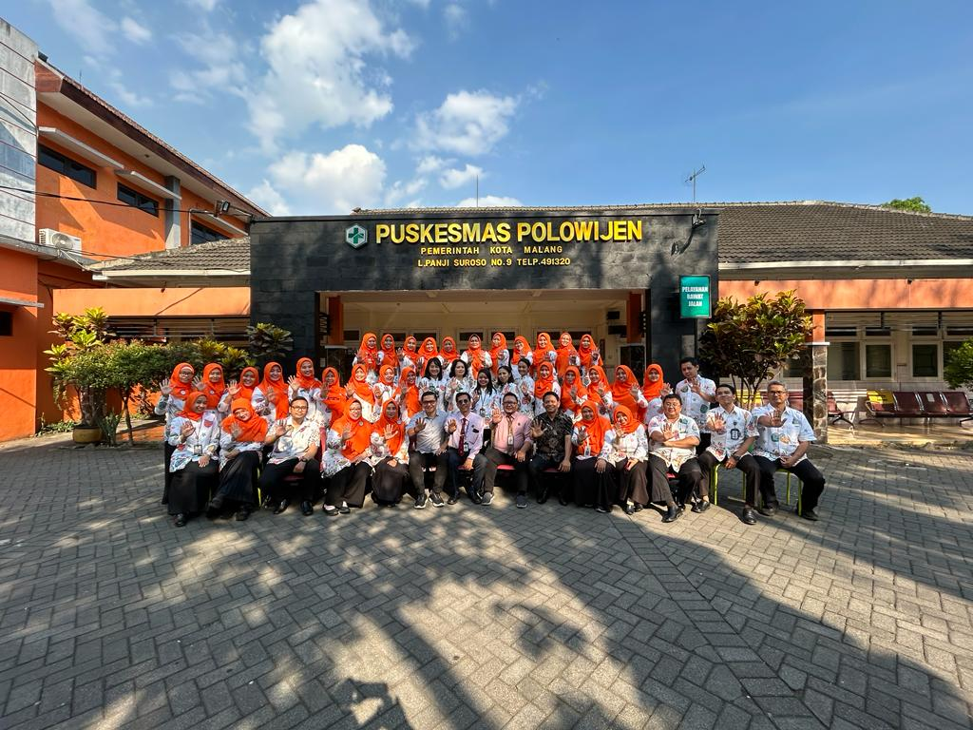
DAFTAR OBAT
JUMLAH RESEP

OBAT MASUK
INPUT RESEP
LPLPO
REGISTER HARIAN

daftar obat
MENU
 | KODE |  | NAMA OBAT | SATUAN
3054 | BLOOD1 | BMHP054 | Blood Lancet ( APBD II ) | pcs | 3054 | BMHP054
 | BLOOD2 |  | Blood Lancet (Kesmas)
15006 | BLOOD3 | PTM006 | BLOOD LANCET | Pcs | 15006 | PTM006

obat masuk
MENU
 |  |  |  | 124,660
no | tanggal | kode barang | nama obat | jumlah masuk | no sbbk | jenis barang
1 | 04/12/2023 | alopu1 | Alopurinol Tab.100 mg | 5,000 | 1754/gfk/pkd 480/XII/23 | PKD001
2 | 04/12/2023 | AMOKS1 | Amoksisilin 500 mg Kapsul | 6,000 |  | PKD005
3 | 04/12/2023 | AMOKS3 | Amoksisilin syrp kering 125 mg | 100 |  | PKD006
4 | 04/12/2023 | ANTAS1 | Antasida doen tablet, kombinasi | 6,000 |  | PKD009
5 | 04/12/2023 | ANTIH | Antihemoroid doen kombinasi | 200 |  | PKD012
6 | 04/12/2023 | ASAMA | Asam Askorbat tab. 50 mg | 6,000 |  | PKD015
7 | 04/12/2023 | FENOL | Fenol Gliserol tets telinga 10 % | 48 |  | PKD034
8 | 04/12/2023 | GLIBE | Glibenklamida tab. 5 mg | 5,000 |  | PKD039
9 | 04/12/2023 | HIDROK2 | Hidrokortison krim 2,5 % | 90 |  | PKD048
10 | 04/12/2023 | IBUPR2 | Ibuprofen tab. 400 mg | 2,000 |  | PKD050
11 | 04/12/2023 | KALSI | Kalsium Laktat (Kalk ) tab. | 3,000 |  | PKD053
12 | 04/12/2023 | KLORA5 | Kloramfenikol tetes telinga | 24 |  | PKD057
13 | 04/12/2023 | KLORF | Klorfeniramin Maleat 4 mg. Tb. | 5,000 |  | PKD058
14 | 04/12/2023 | KOTRI2 | Kotrimoksazol tab. 480 mg | 2,000 |  | PKD064
15 | 04/12/2023 | PARAS3 | Parasetamol sirup 120 mg / 5 ml | 200 |  | PKD076
16 | 04/12/2023 | PARAS1 | Parasetamol tab. 500 mg | 6,300 |  | PKD078
17 | 04/12/2023 | SALIS | Salisil bedak 2% | 60 |  | PKD088
18 | 04/12/2023 | ACARB2 | Acarbose 50mg | 2,000 |  | PNJ001
19 | 04/12/2023 | ACETY | Acetylcysteine 200 mg | 3,600 |  | PNJ002
20 | 04/12/2023 | AMLOD1 | Amlodipin 10 mg | 10,800 |  | PNJ008
21 | 04/12/2023 | AMLOD2 | Amlodipin 5 mg | 6,000 |  | PNJ009
22 | 04/12/2023 | ANTAS2 | Antasida DOEN Suspensi | 120 |  | PNJ012
23 | 04/12/2023 | ASAMF | Asam Folat tablet 1mg | 2,000 |  | PNJ013
24 | 04/12/2023 | ASAMM | Asam Mefenamat 500 mg tab. | 6,000 |  | PNJ014
25 | 04/12/2023 | ATTAP | Attapulgite/New Antides /selediar/ molagit | 2,000 |  | PNJ016
26 | 04/12/2023 | PERAK | Perak Sulfadiazine | 10 |  | PNJ030
27 | 04/12/2023 | CETIR2 | Cetirizine 5 mg/5ml syrp | 96 |  | PNJ035
28 | 04/12/2023 | DEXTR2 | Dextrofen syrup | 200 |  | PNJ047
29 | 04/12/2023 | DIMEN | Dimenhydrinat tab 50mg | 500 |  | PNJ048
30 | 04/12/2023 | DOMPE1 | Domperidon tablet 10 mg | 1,000 |  | PNJ049
31 | 04/12/2023 | KETOC2 | Ketoconazol krim 2% | 36 |  | PNJ065
32 | 04/12/2023 | LORAT | Loratadin tab. | 2,000 |  | PNJ073
33 | 04/12/2023 | MELOK | Meloksikam 7,5 mg | 1,000 |  | PNJ074
34 | 04/12/2023 | METFO1 | Metformin 500 mg | 10,000 |  | PNJ075
35 | 04/12/2023 | METOK1 | Metoklopramid tablet10 mg | 200 |  | PNJ078
36 | 04/12/2023 | MICON | Miconazole cream 2% | 72 |  | PNJ079
37 | 04/12/2023 | NATRI1 | Natrium Diklofenak 50 mg tab. | 500 |  | PNJ081
38 | 04/12/2023 | NOZA | Paracetamol + Pseudoefedrin + Tripolidine Tablet (NOZA) | 3,000 |  | PNJ086
39 | 04/12/2023 | OMEPR1 | Omeprazole kapsul 20 mg | 2,000 |  | PNJ089
40 | 04/12/2023 | PARAS4 | Parasetamol drop | 400 |  | PNJ090
41 | 04/12/2023 | MULTI | Multivitamin Tablet ( Pehavral ) | 7,200 |  | PNJ091
42 | 04/12/2023 | ranit1 | Ranitidin tab 150 mg | 2,000 |  | PNJ096
43 | 04/12/2023 | scabim | Scabimid cream | 60 |  | PNJ099
44 | 04/12/2023 | simva1 | Simvastatin 10 mg | 5,940 |  | PNJ102
45 | 04/12/2023 | lytac | Lytacur Sirup | 480 |  | PNJ161
46 | 04/12/2023 | solaf | Solafluz Syr | 240 |  | PNJ163
47 | 04/12/2023 | alat3 | Alat suntik sekali pakai 5 ml | 500 |  | BMHP003
48 | 04/12/2023 | blood1 | Blood Lancet ( APBD II ) | 300 |  | BMHP054
49 | 04/12/2023 | alkoh1 | Alkohol swabs | 200 |  | BMHP004
50 | 04/12/2023 | garam2 | Garam Oralit | 1,000 | 1755/GFK/PKD426/XI/2023 | DIARE001
51 | 04/12/2023 | ZINK | Zink Tablet 20mg | 500 |  | DIARE002
52 | 04/12/2023 | KERTA1 | KERTAS EKG 210 X 280 X215 | 16 |  | PTM019
53 | 04/12/2023 | GELEK | GEL EKG | 9 |  | PTM017
1 | 07/12/2023 | INDEC | Indec HIV 1/2 + Shypilis Combo | 75 |  | HIV033
2 | 07/12/2023 | trepo2 | Trepochek Shypilis | 75 |  | HIV022
1 | 12/12/2023 | FDC3 | Obat Anti Tuberkulosis / FDC anak | 2 | 1820/GFK/PROG785/XII/2023 | TB003
2 | 12/12/2023 | OATK2 | OAT Kategori 1 dosis harian | 5 |  | 0
3 | 12/12/2023 | CATRI2 | Catrid | 50 |  | TB008
1 | 30/11/2023 | ABATE | Abate | 2 | 1742/GFK/PROG 748/X1/2023 | 0
1 | 12/12/2023 | SPUTU | Sputum Pot ( APBD II ) | 400 |  | BMHP077
1 | 30/11/2023 | HAEMO | Hemoglobin Strip | 9 |  | 0
1 | 14/12/2023 | MDT C1 | MDT COMBI MB Dewasa | 5 |  | KUSTA001
1 | 14/12/2023 | ABATE | Abate | 3 | 1843/GFK/PROG 789/XII/2023 | 0
2 | 14/12/2023 | AMITR2 | Amitriptilin HCL tab. 25 mg ( PROGRAM ) | 500 |  | JIWA002
3 | 14/12/2023 | DIAZE3 | Diazepam 5 mg ( PROGRAM ) | 500 |  | JIWA001
4 | 14/12/2023 | DIAZE7 | Diazepam inj. 5 mg/ml - 2 ml ( PROGRAM ) | 500 |  | JIWA014
5 | 14/12/2023 | HALOP4 | Haloperidol 5 mg ( PROGRAM ) | 500 |  | JIWA004
6 | 14/12/2023 | FLUFE | Flufenazine injeksi 25mg/ml | 10 |  | 0
7 | 14/12/2023 | RISPE2 | Risperidon tab 2mg ( PROGRAM ) | 500 |  | JIWA009
8 | 14/12/2023 | TRIFL2 | Trifluoperazin 5mg ( PROGRAM ) | 500 |  | JIWA010
9 | 14/12/2023 | TRIHE2 | Triheksifenidil HCL tab. 2 mg ( PROGRAM ) | 500 |  | JIWA006
1 | 14/12/2023 | NYSTA | Nystatin Suspensi (Nymiko) | 50 | 1842/GFK/PKD 513/XII/2023 | PNJ087
2 | 14/12/2023 | YELLO | YELLOW TIPS | 200 |  | PTM029
3 | 14/12/2023 | EDTA | TABUNG EDTA | 600 |  | PTM031
4 | 14/12/2023 | PLEST2 | PLESTERIN | 200 |  | PTM030
5 | 14/12/2023 | URINA | URINALISIS ( URYXON ) | 8 |  | 0
1 | 20/12/2023 | CATRI2 | Catrid | 150 | 1866/GFK/PROG 803/XII/2023 | TB008
1 | 20/12/2023 | TENOF3 | Tenofovir 300 mg + Lamivudin 300 mg + Efavirenz 600 mg (Triple FDC ) Dewasa | 240 | 1865/GFK/HIV 298/XII/2023 | HIV008
1 | 04/12/2023 | salbu3 | Salbutamol Nebules (Ventolin) | 10 | 1754/gfk/pkd 480/XII/23 | PNJ110
1 | 27/12/2023 | galpa | Galpain cream | 60 |  | 0
1 | 21/09/2023 | CALCI1 | Calcii glukonas injeksi | 5 | 1389/GFK/PKD372/IX/23 | 0

obat keluar
MENU
 |  |  |  |  | 92416
no | tanggal | TUJUAN | kode obat | nama obat | jumlah | jenis barang
1 | 28/11/2023 | FARMASI | NOZA | Paracetamol + Pseudoefedrin + Tripolidine Tablet (NOZA) | 500 | PNJ086
2 | 28/11/2023 | FARMASI | KALSI | Kalsium Laktat (Kalk ) tab. | 500 | PKD053
3 | 28/11/2023 | FARMASI | MULTI | Multivitamin Tablet ( Pehavral ) | 300 | PNJ091
4 | 28/11/2023 | FARMASI | ATTAP | Attapulgite/New Antides /selediar/ molagit | 200 | PNJ016
5 | 28/11/2023 | FARMASI | ACETY | Acetylcysteine 200 mg | 700 | PNJ002
6 | 28/11/2023 | FARMASI | AMLOD1 | Amlodipin 10 mg | 500 | PNJ008
7 | 28/11/2023 | FARMASI | ANTAS1 | Antasida doen tablet, kombinasi | 500 | PKD009
8 | 28/11/2023 | FARMASI | DOMPE1 | Domperidon tablet 10 mg | 300 | PNJ049
9 | 28/11/2023 | FARMASI | NATRI1 | Natrium Diklofenak 50 mg tab. | 300 | PNJ081
10 | 28/11/2023 | FARMASI | GLIME2 | Glimepiride tab 2 mg | 500 | PNJ058
11 | 28/11/2023 | FARMASI | SALBU1 | Salbutamol tab. 2 mg | 200 | PKD086
12 | 28/11/2023 | FARMASI | SCABIM | Scabimid cream | 10 | PNJ099
1 | 28/11/2023 | LABORATORIUM | ALAT1 | Alat suntik sekali pakai 1 ml | 300 | BMHP001
1 | 30/11/2023 | FARMASI | ACYCL1 | Acyclovir tab.400 mg | 500 | PNJ004
2 | 30/11/2023 | FARMASI | GRANT | Grantusif | 500 | PNJ158
3 | 30/11/2023 | FARMASI | DEKSA1 | Deksametason tab. 0.5 mg | 500 | PKD020
4 | 30/11/2023 | FARMASI | AMOKS1 | Amoksisilin 500 mg Kapsul | 800 | PKD005
5 | 30/11/2023 | FARMASI | BETAH | Betahistin Mesilat tablet 6 mg | 500 | PNJ021
6 | 30/11/2023 | FARMASI | MULTI | Multivitamin Tablet ( Pehavral ) | 500 | PNJ091
7 | 30/11/2023 | FARMASI | BIONE | Bioneuron/ nutralix/zecaneuron | 500 | PNJ023
8 | 30/11/2023 | FARMASI | METILP | Metil Prednisolon tab 4 mg | 300 | PNJ076
9 | 30/11/2023 | FARMASI | PARAS1 | Parasetamol tab. 500 mg | 700 | PKD078
10 | 30/11/2023 | FARMASI | SIMVA2 | Simvastatin 20mg | 1000 | PNJ132
11 | 30/11/2023 | FARMASI | VITAM | Vitamin B kompleks tablet | 600 | PKD096
12 | 30/11/2023 | FARMASI | SIMVA1 | Simvastatin 10 mg | 900 | PNJ102
13 | 30/11/2023 | FARMASI | GLIME2 | Glimepiride tab 2 mg | 1000 | PNJ058
14 | 30/11/2023 | FARMASI | LYTAC | Lytacur Sirup | 48 | PNJ161
15 | 30/11/2023 | FARMASI | METFO1 | Metformin 500 mg | 1600 | PNJ075
16 | 30/11/2023 | FARMASI | ACARB2 | Acarbose 50mg | 1000 | PNJ001
17 | 30/11/2023 | FARMASI | MICON | Miconazole cream 2% | 24 | PNJ079
18 | 30/11/2023 | FARMASI | HIDROK2 | Hidrokortison krim 2,5 % | 18 | PKD048
19 | 30/11/2023 | FARMASI | KETOC2 | Ketoconazol krim 2% | 12 | PNJ065
1 | 04/12/2023 | FARMASI | GENTA2 | Gentamisin salep kulit 0,1% | 22 | PNJ057
2 | 04/12/2023 | UGD | GENTA2 | Gentamisin salep kulit 0,1% | 3 | PNJ057
3 | 04/12/2023 | UGD | NATRI2 | Natrium Klorida Lar Infus 0,9 % | 2 | PKD071
4 | 05/12/2023 | FARMASI | ANTIH | Antihemoroid doen kombinasi | 200 | PKD012
5 | 05/12/2023 | FARMASI | GARAM2 | Garam Oralit | 200 | DIARE001
6 | 05/12/2023 | FARMASI | ZINK |  | 500
7 | 05/12/2023 | FARMASI | SALBU3 | Salbutamol Nebules (Ventolin) | 10 | PNJ110
8 | 05/12/2023 | FARMASI | FENOL | Fenol Gliserol tets telinga 10 % | 24 | PKD034
9 | 05/12/2023 | FARMASI | OMEPR1 | Omeprazole kapsul 20 mg | 400 | PNJ089
1 | 07/12/2023 | LABORATORIUM | INDEC | Indec HIV 1/2 + Shypilis Combo | 75 | HIV033

1 | 05/12/2023 | LABORATORIUM | CATRI2 | Catrid | 100 | TB008
1 | 05/12/2023 | UGD | KERTA1 | KERTAS EKG 210 X 280 X215 | 16 | PTM019
2 | 05/12/2023 | UGD | GELEK | GEL EKG | 9 | PTM017
1 | 05/12/2023 | UGD | TUBER | Tuberculin | 8 | TB013
1 | 05/12/2023 | FARMASI | AMLOD1 | Amlodipin 10 mg | 1500 | PNJ008
2 | 05/12/2023 | FARMASI | asamf | Asam Folat tablet 1mg | 500 | PNJ013
3 | 05/12/2023 | FARMASI | ANTAS1 | Antasida doen tablet, kombinasi | 500 | PKD009
4 | 05/12/2023 | FARMASI | capto | Captopril 25 mg tab. | 500 | PNJ031
5 | 05/12/2023 | FARMASI | DEKSA1 | Deksametason tab. 0.5 mg | 500 | PKD020
6 | 05/12/2023 | FARMASI | glise | Gliseril Guayakolat tab. 100 mg | 500 | PKD040
7 | 05/12/2023 | FARMASI | ibupr2 | Ibuprofen tab. 400 mg | 500 | PKD050
8 | 05/12/2023 | FARMASI | KALSI | Kalsium Laktat (Kalk ) tab. | 500 | PKD053
9 | 05/12/2023 | FARMASI | melok | Meloksikam 7,5 mg | 250 | PNJ074
10 | 05/12/2023 | FARMASI | ranit1 | Ranitidin tab 150 mg | 200 | PNJ096
11 | 05/12/2023 | FARMASI | NOZA | Paracetamol + Pseudoefedrin + Tripolidine Tablet (NOZA) | 300 | PNJ086
1 | 06/12/2023 | FARMASI | viroc1 | Virocheck HIV 1/2 ( APBD II ) | 75 | BMHP063
1 | 07/12/2023 | FARMASI | cetir2 | Cetirizine 5 mg/5ml syrp | 48 | PNJ035
2 | 07/12/2023 | FARMASI | alopu1 | Alopurinol Tab.100 mg | 500 | PKD001
3 | 07/12/2023 | FARMASI | bronk | Bronkris Tablet | 200 | PNJ148
4 | 07/12/2023 | FARMASI | asama | Asam Askorbat tab. 50 mg | 500 | PKD015
1 | 08/12/2023 | FARMASI | rispe2 | Risperidon tab 2mg ( PROGRAM ) | 200 | JIWA009
2 | 08/12/2023 | FARMASI | trihe2 | Triheksifenidil HCL tab. 2 mg ( PROGRAM ) | 300 | JIWA006
3 | 08/12/2023 | FARMASI | klorp2 | Klorpromazin Hcl 100 mg. tab. | 200 | PKD059
...

form lplpo
...
MENU
...
BULAN : | Desember
TAHUN : | 2023
...
 |  |  |  | KET
ASKES | APBD | LAIN-LAIN | JUMLAH
12 | 13 | 14 | 15 | 16
...

register harian
...
MENU
...
29 | 30 | 31 | pemakaian | sisa stok
- | - | - | - | 7,700 | 2023-10-01 | 2023-10-02 | 2023-10-03 | 2023-10-04 | 2023-10-05 | 2023-10-06 | 2023-10-07 | 2023-10-08 | 2023-10-09
- | - | - | - | - | 2023-10-01 | 2023-10-02 | 2023-10-03 | 2023-10-04 | 2023-10-05 | 2023-10-06 | 2023-10-07 | 2023-10-08 | 2023-10-09
- | - | - | - | - | 2023-10-01 | 2023-10-02 | 2023-10-03 | 2023-10-04 | 2023-10-05 | 2023-10-06 | 2023-10-07 | 2023-10-08 | 2023-10-09
- | - | - | - | - | 2023-10-01 | 2023-10-02 | 2023-10-03 | 2023-10-04 | 2023-10-05 | 2023-10-06 | 2023-10-07 | 2023-10-08 | 2023-10-09
- | - | - | - | 11,000 | 2023-10-01 | 2023-10-02 | 2023-10-03 | 2023-10-04 | 2023-10-05 | 2023-10-06 | 2023-10-07 | 2023-10-08 | 2023-10-09
- | - | - | - | 150 | 2023-10-01 | 2023-10-02 | 2023-10-03 | 2023-10-04 | 2023-10-05 | 2023-10-06 | 2023-10-07 | 2023-10-08 | 2023-10-09
- | - | - | - | - | 2023-10-01 | 2023-10-02 | 2023-10-03 | 2023-10-04 | 2023-10-05 | 2023-10-06 | 2023-10-07 | 2023-10-08 | 2023-10-09
- | - | - | - | - | 2023-10-01 | 2023-10-02 | 2023-10-03 | 2023-10-04 | 2023-10-05 | 2023-10-06 | 2023-10-07 | 2023-10-08 | 2023-10-09
...

jumlah resep
MENU
no | tanggal | umum | bpjs | jumlah resep
1 | 2023-10-01 | - | - | -
2 | 2023-10-02 | - | - | -
3 | 2023-10-03 | - | - | -
4 | 2023-10-04 | - | - | -
5 | 2023-10-05 | - | - | -
6 | 2023-10-06 | - | - | -
7 | 2023-10-07 | - | - | -
8 | 2023-10-08 | - | - | -
9 | 2023-10-09 | - | - | -
10 | 2023-10-10 | - | - | -
11 | 2023-10-11 | - | - | -
12 | 2023-10-12 | - | - | -
...

